Dashboard
COFFEE SALES DASHBOARD

Total Sales over Time
 | Arabica | Excelsa | Liberica | Robasta
Jul | $345 | $274 | $184 | $201
Aug | $335 | $71 | $134 | $166
Sep | $179 | $166 | $439 | $493
Oct | $302 | $154 | $216 | $214

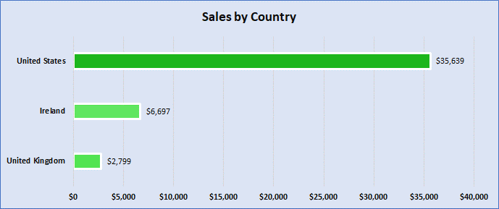

Top 5 Customers
 | Total
Don Flintiff | $278
Nealson Cuttler | $282
Terri Farra | $289
Brenn Dundredge | $307
Allis Wilmore | $317

